RectangularFrame_Results
Width (m) | Length (m) | Thickness (in) | Diameter (in) | Stiffness (Nm/deg) | Length weighted thickness | 0.057202456834
0.333375 | 2.0828 | 0.049 | 1 | 112.6 | Length weighted diameter | 0.94896247995
0.5 | 2.0828 | 0.049 | 1 | 528.6 | Wheel base | 1.5367
0.625 | 2.0828 | 0.049 | 1 | 1190.4 | Track width front | 1.2192
0.67 | 2.0828 | 0.049 | 1 | 1519.6 | Track width rear | 1.1938
Stiffness Vs Short Side Length
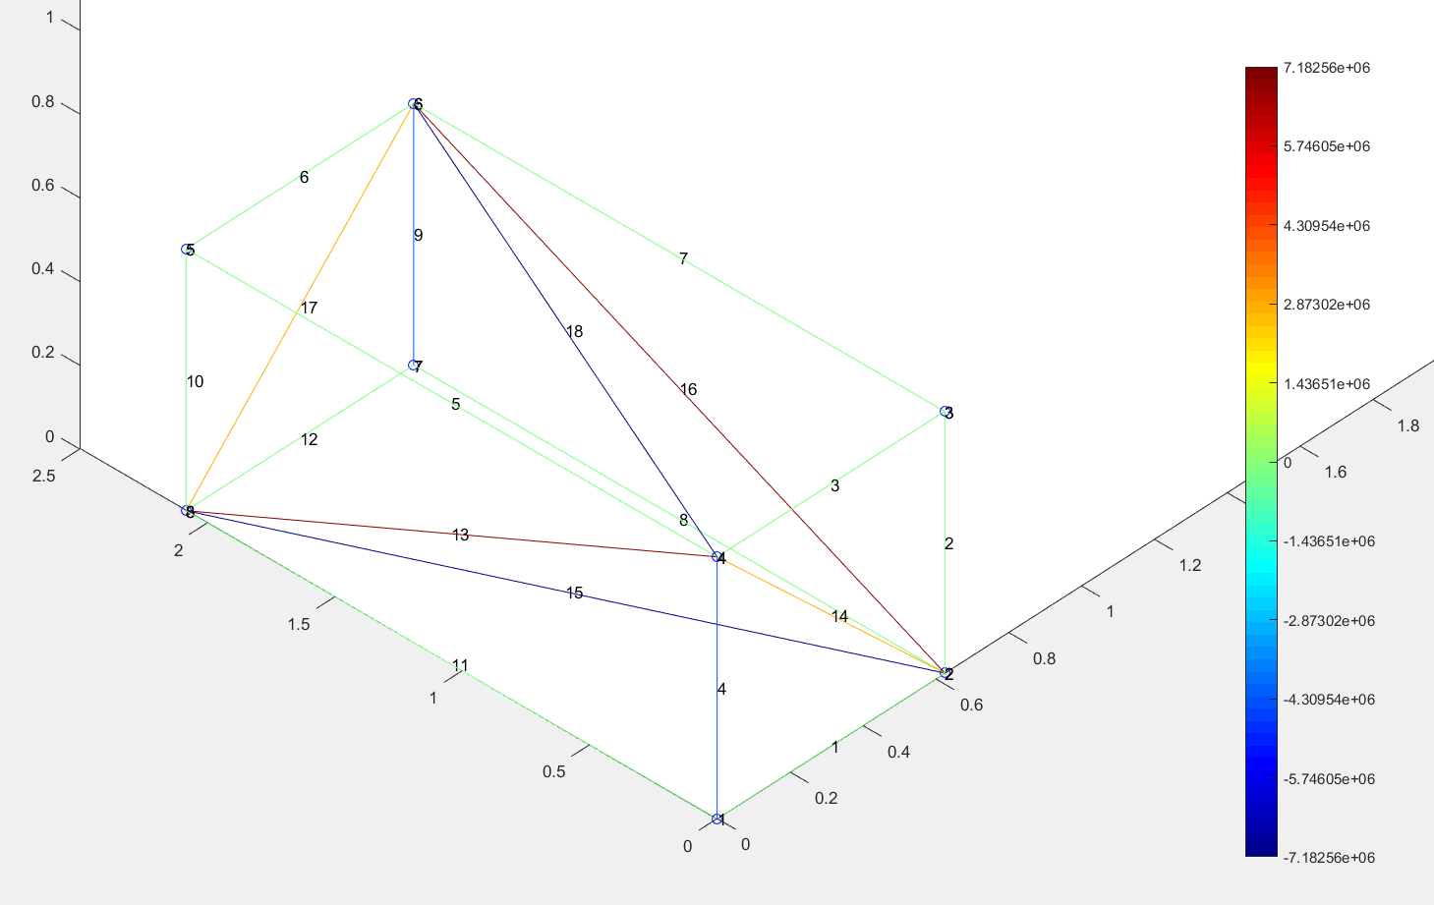
0.75 | 2.0828 | 0.049 | 1 | 2232.9
1 | 2.0828 | 0.049 | 1 | 5507.1
1.25 | 2.0828 | 0.049 | 1 | 10081.5
0.33 | 1.5367 | 0.057 | 1 | 126
0.4 | 1.5367 | 0.057 | 1 | 264.7
0.5 | 1.5367 | 0.057 | 1 | 615
0.6 | 1.5367 | 0.057 | 1 | 1197.5
0.7 | 1.5367 | 0.057 | 1 | 2056.7
0.8 | 1.5367 | 0.057 | 1 | 3215.2
0.9 | 1.5367 | 0.057 | 1 | 4672.3
1 | 1.5367 | 0.057 | 1 | 6407.7
1.1 | 1.5367 | 0.057 | 1 | 8388.1
1.2 | 1.5367 | 0.057 | 1 | 10573.5

Stiffness Vs Short Side Length

 |  |  |  |  | ^^^ Quadratic fit because J is proporsional to side length ^ 4 for square cross section

